i-Buy Uploading Instructions
Instructions on creating a "csv (comma delimited)" file & uploading to Wolf i-Buy

(1) Select Door Style & Color then add all products on quote sheet
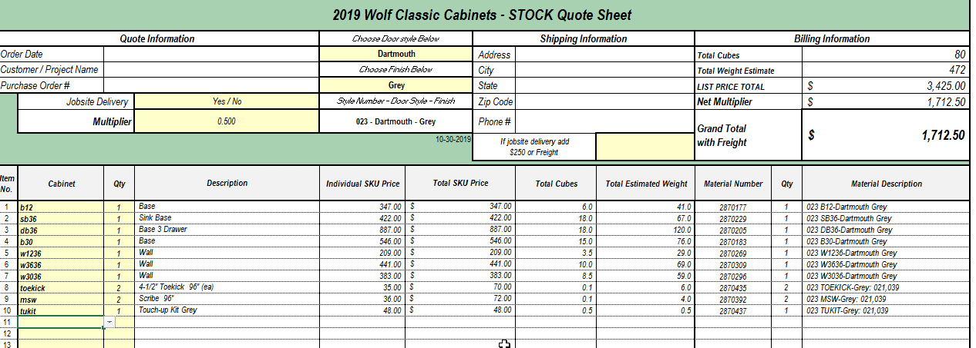
(2) Highlight and delete grey delete lines on the "i-Buy CSV Export File" Tab
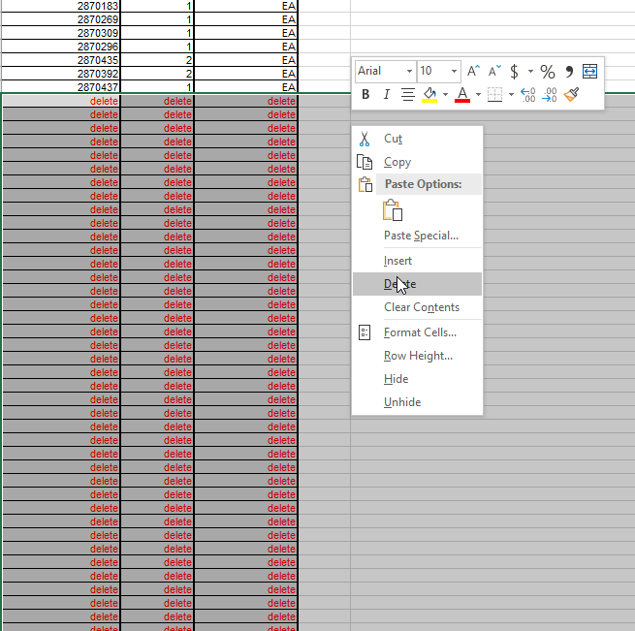
(2) File Save as - Name your file & save as a CSV (Comma Delimited) File - Click "OK" saving only csv sheet
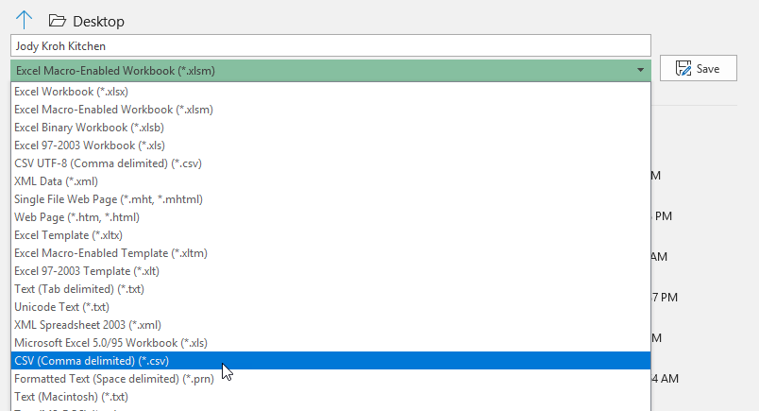 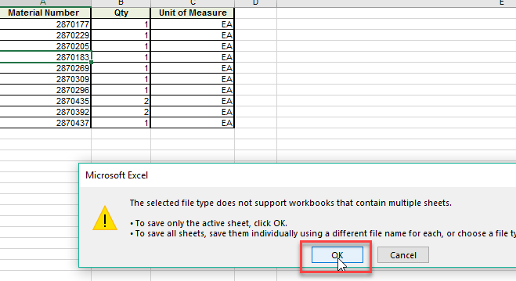
(3) Import into i-Buy
(a) Click on "paper" next to cart in upper right corner next to the cart and choose "Import File to Cart"

(b) Change File Format from "Import from 2020" to "Standard"

(c) Change File Format from "Import from 2020" to "Standard"
(d) Click on "Choose File" and locate your csv file
(e) Once your file name appears, click on "Import"
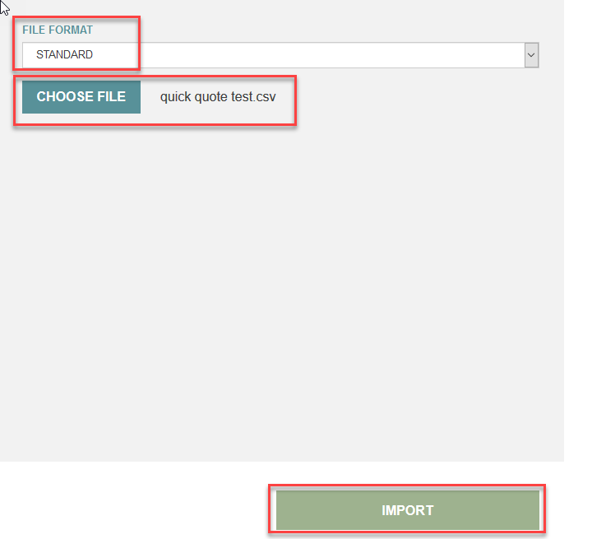
(f) Your file will upload into i-Buy with all items
***NOTE: Error denoted by a blank line is NOT an error, it is the header line of the csv file
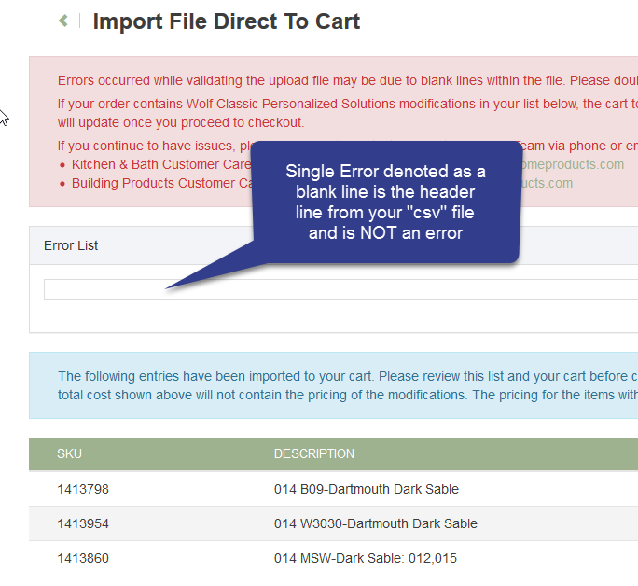
(g) Click on the shopping cart in the upper right corner
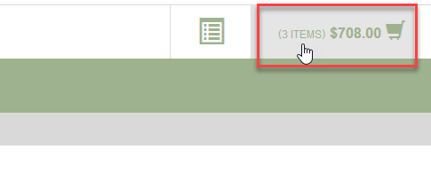
(g) Click on the shopping cart in the upper right corner and Creaate a Template or Proceed to Checkout

